Ewaa plus test
 | Done
 | pending for dev phase
 | not done
 | Need to discuss
 | Need to review
Ewaa plus testing

S. No | Pages | Ewaa Team Remarks |  | Developers Remarks
 |  | Remarks | comments | Remarks | comments
1 | Website Home page | Search Button drop down should be in english if english portal is on | 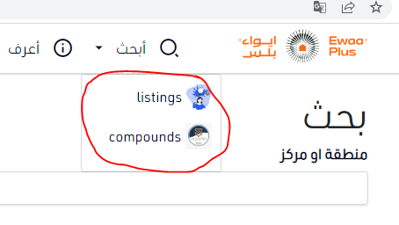
 |  | Search Button is not working at the moment (error 404) (same search button on the webpage down below |  | done
 |  | Contact us button has no function | done
 |  | Terms has no function till now | done
 |  | Job has no Function till now | done
 |  | no social media have any link | done
 |  | Generally Logo is on the corner and should be lil prominent
 |  | Help button is not working | you want it as page or open whatapp to contact with employee ??

4 | Sign in Page | There must be eye icon to show/hide your password (To be sure about the password)
 |  | Forget password (no function) | send email and you entered email message and presson link to make new password | done --> change message after process complete from operation done to email message has been sent successfully

3 | Listing page | Standard information font color should be Gray
 |  | We must have some general information as mandatory entry (Mean we need to put * sign with mandatory fields) |  | done
 |  | I can add picture but I cat delete pic (Problem in adding pic as I want to add multiple pics I can drag them at once but I cant post then one by one) | done
 |  | I cant save and submit my listing (cant go beyound this step) | tested and it works | done | done

4 | Admin Control | Admin Control (Owner dashbaord) should b on when Admin login | I don’t to make another login for admin I know after login who is login if user or admin
 |  | Dashboard button for admin should be prominent on the side instead in between the tabs

5 | Forget password | Correct the content (Arabic and English)
 |  | when I request email received for reset the password but website does not inform me that the action is taken |  | done
 |  | Password save function is not working | tested and it works

6 | Property Search | When we put some filter (It must show above that what a guest have searched) (like this he knows he activated the filter)
 |  | There should be a way to disable the filter search | make a link to show all listings without any filters
 |  | in search there will b a country name as well or google map to target a location | make an country input

7 | User Profile | When updating password it should be gone after saving | done
 |  | Edit main informaiton (page should refresh by showing the edit information | values updated automaticly
 |  | when I make any property as a listing page should refresh to main profile after posting | should go to confirm payment if I created if I updated I go to my profile
 |  | we

 | Footer | Ewaa Plus Ewaa services allow you to rent, buy or sell a property while providing essential information to help you take one of life’s biggest financial decisions.

 |  | notes I wrote from last meeting
 |  | price and meters at adding list start from 0 | done
 |  | forget password message in english | done
 |  | email should be at english format | done
 |  | properties at home page not redirect | done
 |  | address from map take address automaticly and update at address inputs

 |  | edit main info at profile page at bottom | done
 |  | when update name update at top page | done
 |  | fix when you approve at dashboard listing at home all hidden | done
 |  | reject button at dashboard home | done
 |  | admin: live update when action is taken | done

